Randy Dec21 Infection
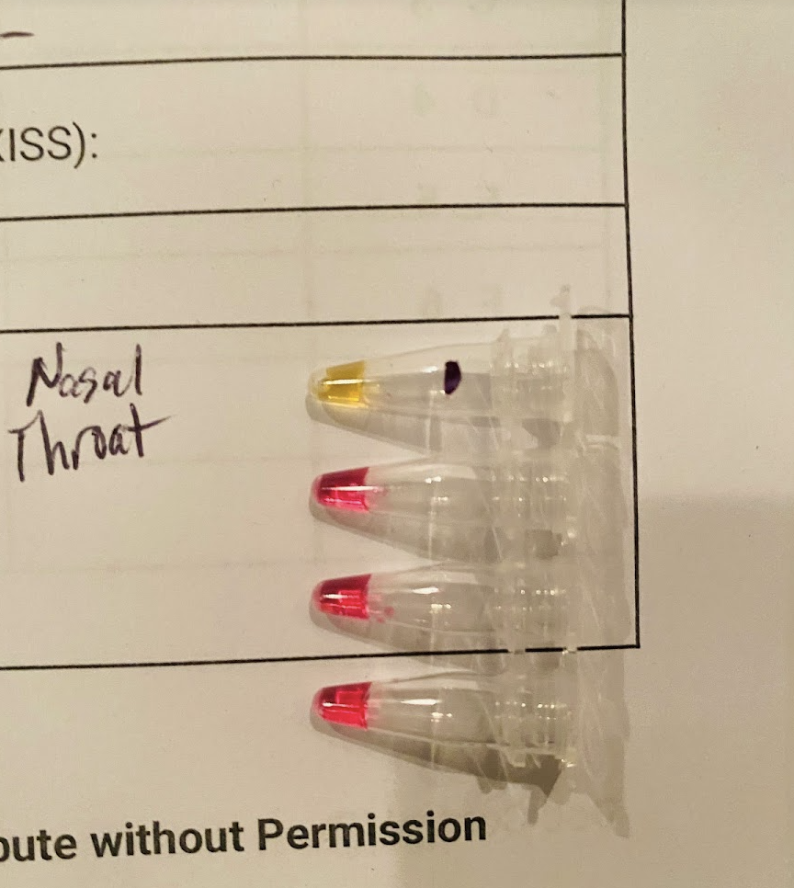
Days after 1st Pos Test | Day Week | Date | Time | FlooLAMP QC Test Result | BinaxNow Anitgen Test Result | Symptoms / Notes
 | Mon | 2021-12-13 | 21:00:00 |  |  | Likely exposure at big holiday party, honor system test req, mask req but not followed I masked 80% of time there, 3 others I was with mostly mask off, none infected
 | Tues | 2021-12-14 | 9:00:00
 | Thurs | 2021-12-16 | 9:00:00 | NEG |  | symptoms start at night - bad headache and 4 hrs sleep, foggy brain
 | Fri | 2021-12-17 |  | No Test |  | symptoms continue - bad headache and 4 hrs sleep, foggy brain
0 | Sat | 2021-12-18 | 7:00:00 | POS | POS - bright 5min | symptoms continue - headache, fatigue, brain fog (more than usual)
4 |  | 2021-12-22 | 6:00:00 | POS nasal, INC saliva |  | symptoms continue - headache, fatigue, brain fog (more than usual)
5 |  | 2021-12-23 | 9:00:00 | POS |  | symptoms less
6 |  | 2021-12-24 | 7:00:00 | POS | POS - bright | symptoms less
7 | Sat | 2021-12-25 | 8:00:00 | POS |  | symptoms less
8 | Sun | 2021-12-26 | 5:00:00 | POS | 2pm POS - dim | symptoms less
9 | Mon | 2021-12-27 | 17:00:00 | NEG |  | symptoms minimal/gone
10 | Tues | 2021-12-28 | 8:00:00 | NEG |  | symptoms minimal/gone

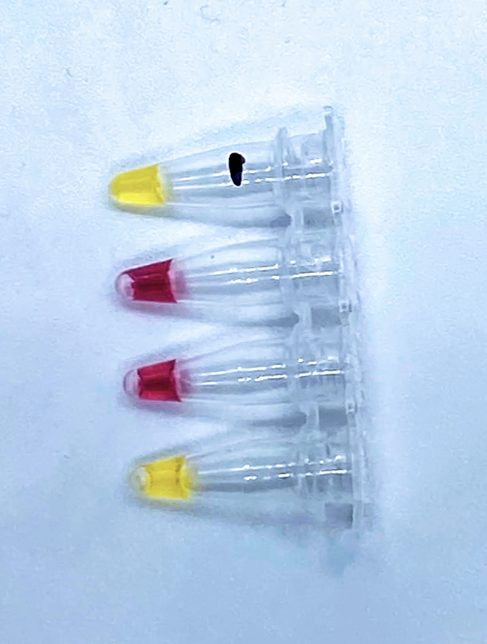
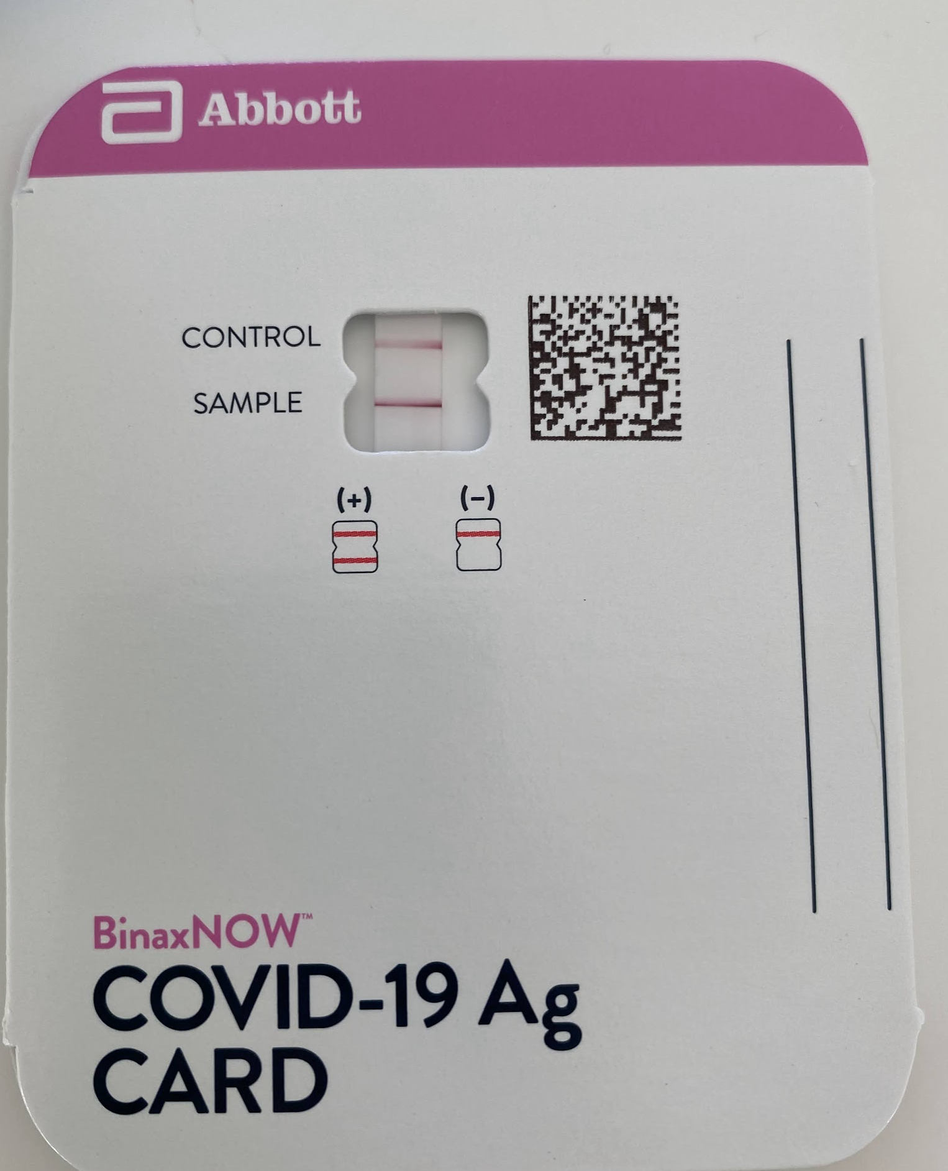
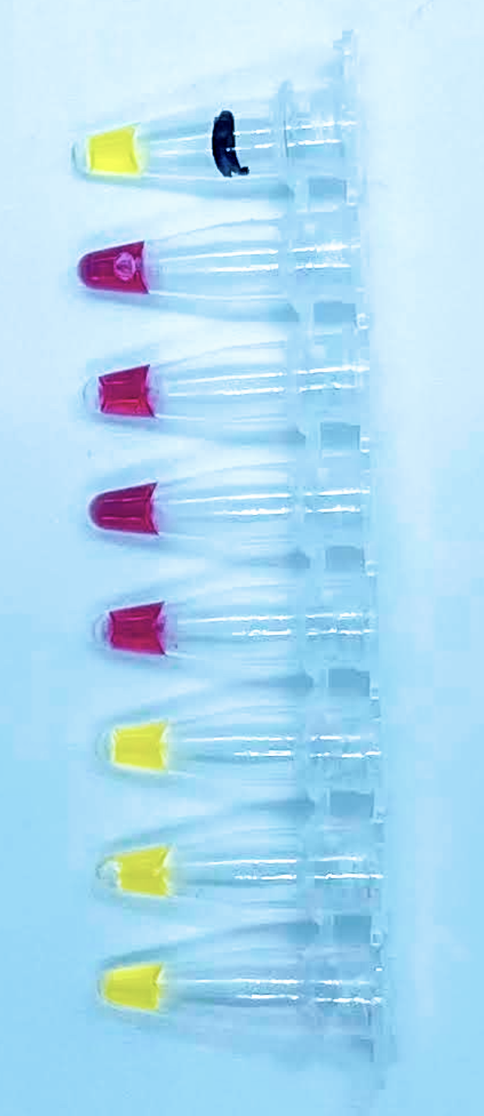

 | Finally negative on day 9!

